Dashboard
 |  |  | Open Telekom Cloud - VPC

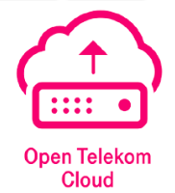

 |  | Test Case Summary |  |  |  | Testing Details

OTC-CCE |  |  |  |  | Created By: Sachin Jagtap
 |  |  |  |  | Execution Start Date: |  | Execution End Date:

Sr No. | Interface Name |  |  | Test Case(s) | Pass | Fail | Partially passed | Concern
1 | CCE-Cluster Resource |  |  | 54
2 | CCE-Cluster Data Source |  |  | 49
3 | CCE-Node Resource |  |  | 111
4 | CCE-Node Data Source |  |  | 48

